Sheet1
DATE | INV NO. | DESCRIPTIONS | AMOUNT | BILLS | PRICE | TOTAL
25-Nov-2025 | DW/67/088 | ROKU GIN 700 ML | 2 | 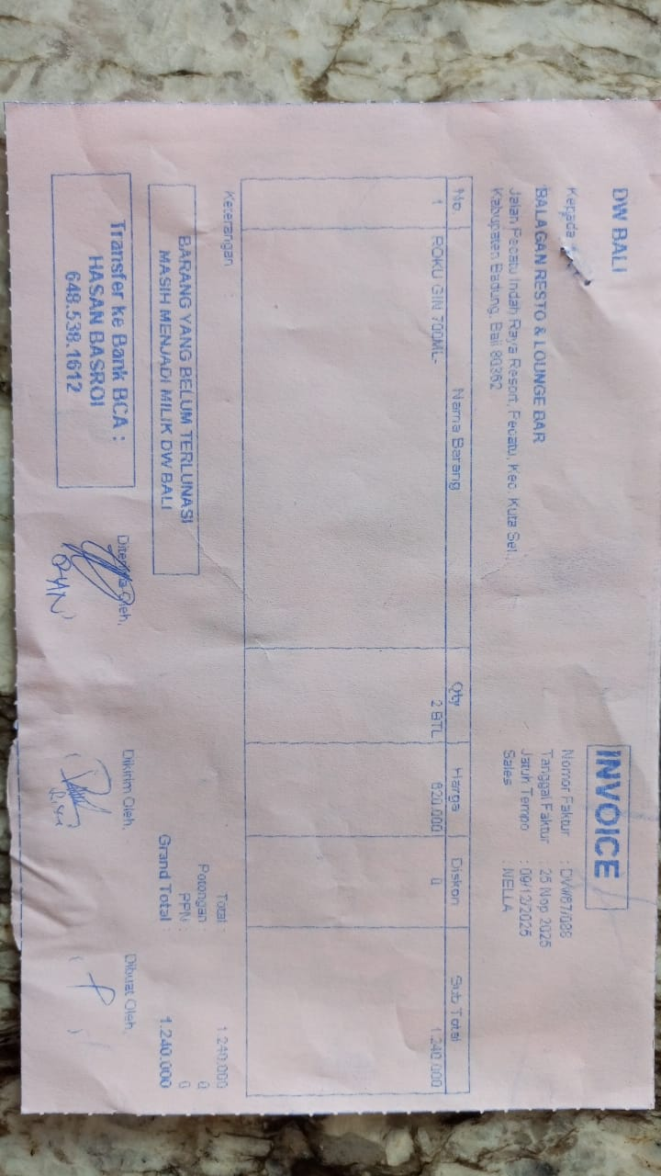 | Rp620,000 | Rp1,240,000
27-Nov-2025 | DW/67/237 | CAMPARI MILANO 750 ML | 2 | 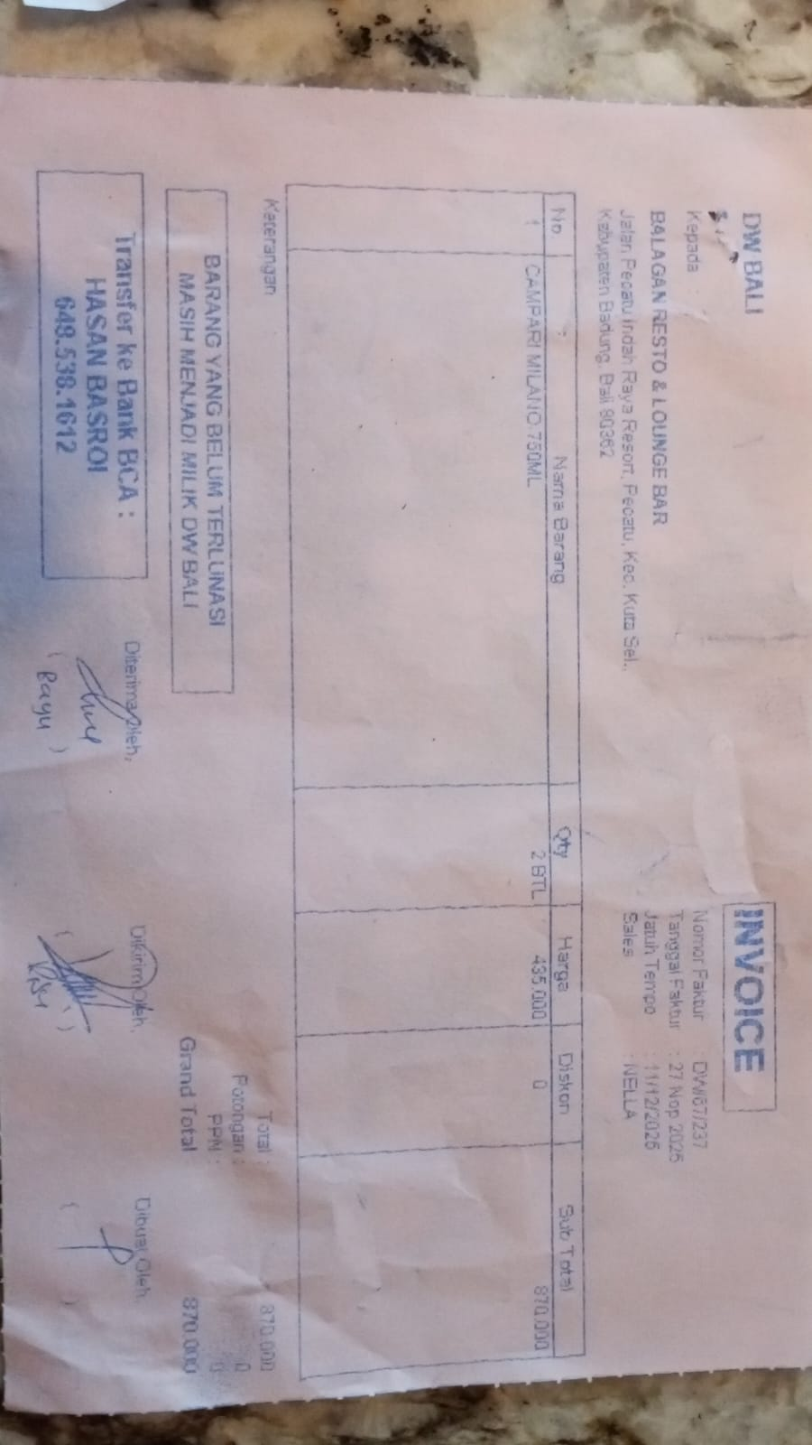 | Rp435,000 | Rp870,000
GRAND TOTAL |  |  |  | Rp2,110,000

